q1 15 M
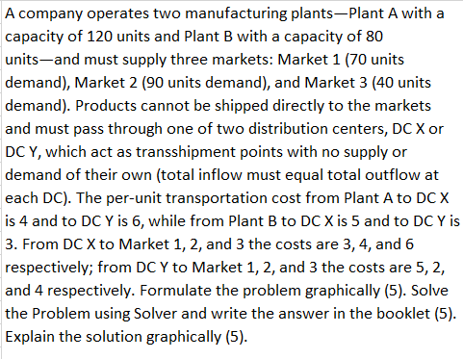

 |  |  |  |  | Total In | 70 | 130 |  |  | Demand | 70 | 90 | 40
 |  |  |  | Total Out |  | DC X | DC Y |  |  | From\To | M1 | M2 | M3 | Total Out
 |  |  |  | 120 | Plant A | 120 | 0 | 100 | y | DC X | 70 | 10 | 40 | 70
 |  |  |  | 80 | Plant B | 0 | 80 | 100 | x | DC Y | 0 | 80 | 0 | 130

 |  |  |  |  | COST (Plant → DC) |  |  |  |  | COST (DC → Market)

 |  |  |  |  |  | DC X | DC Y |  |  |  | M1 | M2 | M3
 |  |  |  |  | Plant A | 4 | 6 |  |  | DC X | 3 | 4 | 6
 |  |  |  |  | Plant B | 5 | 3 |  |  | DC Y | 5 | 2 | 4

 |  |  |  |  | 720 |  |  |  |  | 650

 |  |  |  |  |  |  | min | 1370

 |  |  |  |  | constains
 |  |  |  |  |  | 120 | <= | 120
 |  |  |  |  |  | 80 | <= | 80
 |  |  |  |  |  | 70 | >= | 70
 |  |  |  |  |  | 90 | >= | 90
 |  |  |  |  |  | 40 | >= | 40
 |  |  |  |  |  | 120 | >= | 120
 |  |  |  |  |  | 80 | >= | 80

 | DC X | DC Y | Total Out | From\To | M1 | M2 | M3 | Total Out
Plant A | 0 | 0 | 120 | DC X | 0 | 0 | 0 | 70
Plant B | 0 | 0 | 80 | DC Y | 0 | 0 | 0 | 130
Total In | 70 | 130 |  | Demand | 70 | 90 | 40

COST (Plant → DC) |  |  |  | COST (DC → Market)

 | DC X | DC Y |  |  | M1 | M2 | M3
Plant A | 4 | 6 |  | DC X | 3 | 4 | 6
Plant B | 5 | 3 |  | DC Y | 5 | 2 | 4

0 |  |  |  | 0

 |  | min | 0

constains
 | 0 | <= | 120
 | 0 | <= | 80
 | 0 | = | 70
 | 0 | = | 90
 | 0 | = | 40
 | 0 | = | 0
 | 0 | = | 0

q2 15 M
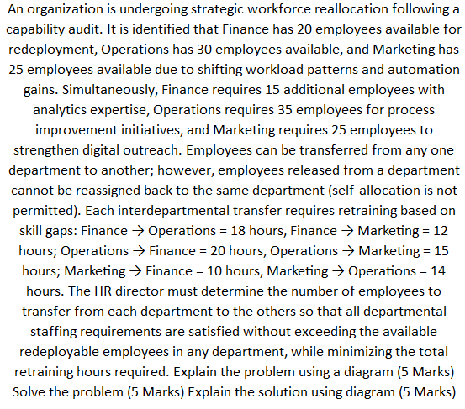
F
F
 | Demand | 15 | 35 | 25
Supply | From \ To | Finance | Operations | Marketing
20 | Finance | 0 | 18 | 12 |  |  | 20
30 | Operations | 20 | 0 | 15 |  |  |  |  |  | 15
25 | Marketing | 10 | 14 | 0

 |  |  |  |  |  |  |  |  | 15

m
M
 |  |  | Finance | Operations | Marketing
 |  | Finance | 0 | 15 | 0
 |  | Operations | 10 | 0 | 25 |  | 25 | 10 |  | 25
 |  | Marketing | 10 | 15 | 0

 |  |  |  |  | min z | 1155 |  |  | 15

 |  | coming peoples | 15 | >= | 15
 |  |  | 35 | >= | 35 |  |  |  | 10
 |  |  | 25 | >= | 25
O
o
 |  | exit peoples | 20 | <= | 20
 |  |  | 30 | <= | 30 |  | 30 |  | 25
 |  |  | 25 | <= | 25 |  |  |  |  | 35

Bonus 5 Marks for attempting
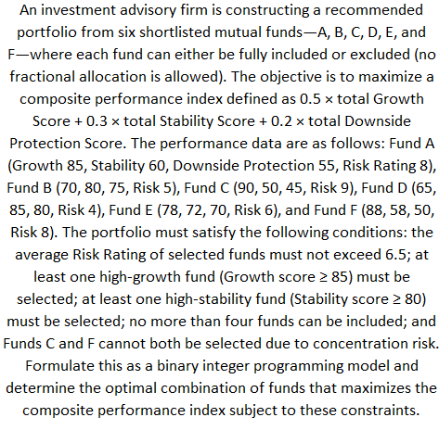
Fund | Growth | Stability | Downside Protection | Risk |  | SELECT | Fund | Growth | Stability | Downside Protection | Risk | hgf | hsf | c&f | SELECT
A | 85 | 60 | 55 | 8 |  | 1 | A | 85 | 60 | 55 | 8 | 1 | 0 | 0 | 0
B | 70 | 80 | 75 | 5 |  | 1 | B | 70 | 80 | 75 | 5 | 0 | 1 | 0 | 1
C | 90 | 50 | 45 | 9 |  | 0 | C | 90 | 50 | 45 | 9 | 0 | 0 | 1 | 0
D | 65 | 85 | 80 | 4 |  | 1 | D | 65 | 85 | 80 | 4 | 0 | 1 | 0 | 1
E | 78 | 72 | 70 | 6 |  | 1 | E | 78 | 72 | 70 | 6 | 0 | 0 | 0 | 1
F | 88 | 58 | 50 | 8 |  | 0 | F | 88 | 58 | 50 | 8 | 1 | 0 | 1 | 1

 |  |  |  |  |  |  |  |  |  |  |  | wt
 |  |  |  |  |  |  |  |  |  | total growth | 301 | 0.5
 |  |  |  |  |  |  |  |  |  | total stabilty | 295 | 0.3
MAX | 294.1 |  |  |  |  |  | MAX | 294 |  | total dowmside | 275 | 0.2

 |  |  |  |  |  |  |  |  |  | max | 294

 |  | max | 4 | <= | 4 |  |  |  | max | 4 | <= | 4
 |  | risk avg | 23 | <= | 26 |  |  |  | risk avg | 23 | <= | 26
 |  |  | 0 | <= | 1 |  |  |  |  | 1 | <= | 1
 |  |  | 2 | ≥ | 1 |  |  |  |  | 2 | ≥ | 1
 |  |  | 1 | ≥ | 1 |  |  |  |  | 1 | ≥ | 1

Sheet2
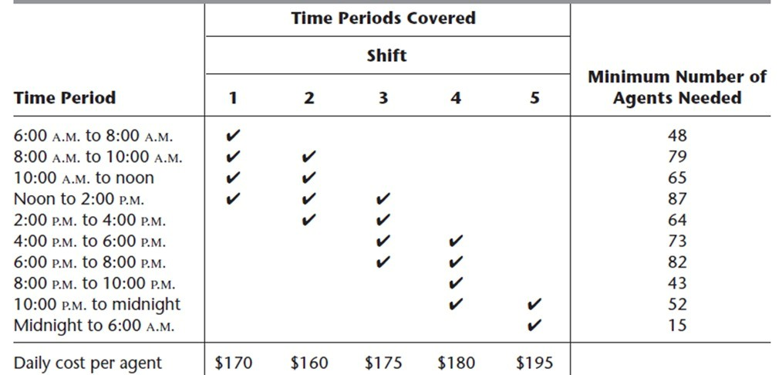
 | 1 | 2 | 3 | 4 | 5 | min agents
shifts | 48 | 31 | 39 | 43 | 15
06 to 8 | 48 | 0 | 0 | 0 | 0 | 48
8 to 10 | 48 | 31 | 0 | 0 | 0 | 79
10 to 12 | 48 | 31 | 0 | 0 | 0 | 65
12 to 2 | 48 | 31 | 39 | 0 | 0 | 87
2 to 4 | 0 | 31 | 39 | 0 | 0 | 64
4 to 6 | 0 | 0 | 39 | 43 | 0 | 73
6 to 8 | 0 | 0 | 39 | 43 | 0 | 82
8 to 10 | 0 | 0 | 0 | 43 | 0 | 43
10 to 12 | 0 | 0 | 0 | 43 | 15 | 52
12 to 6 am | 0 | 0 | 0 | 0 | 15 | 15

daily cost for agents | 170 | 160 | 175 | 180 | 195

 | min | 30610

 | constains
 | 48 | <= | 48
 | 79 | <= | 79
 | 79 | <= | 65
 | 118 | <= | 87
 | 70 | <= | 64
 | 82 | <= | 73
 | 82 | <= | 82
 | 43 | <= | 43
 | 58 | <= | 52
 | 15 | <= | 15

Sheet3
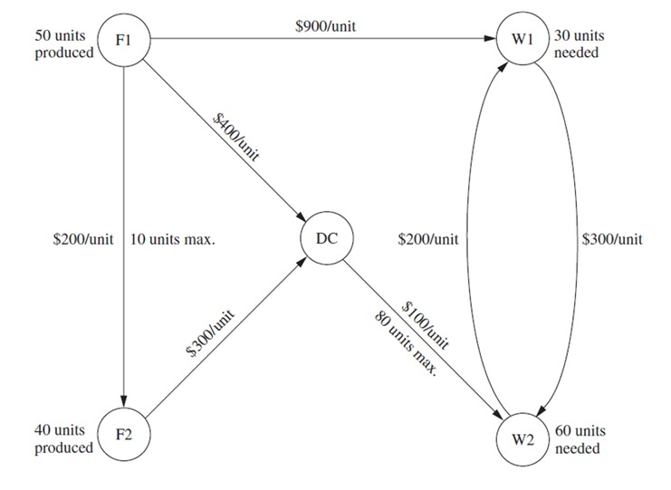
 |  | F1 | F2 | DC | W1 | W2
 | F1 | 0 | 200 | 400 | 900 | 0
 | F2 | 0 | 0 | 300 | 0 | 0
 | DC | 0 | 0 | 0 | 0 | 100
 | W1 | 0 | 0 | 0 | 0 | 300
 | W2 | 0 | 0 | 0 | 200 | 0

 |  | F1 | F2 | DC | W1 | W2
 | F1 | 0 | 0 | 40 | 10 | 0
 | F2 | 0 | 0 | 40 | 0 | 0
 | DC | 0 | 0 | 0 | 0 | 80
 | W1 | 0 | 0 | 0 | 0 | 0
 | W2 | 0 | 0 | 0 | 20 | 0

 | OBJ FUCTION |  | 49000
SUPPLY |  | CAN SEND |  | AVAILABLE
 | F1 | 50 | <= | 50
 | F2 | 40 | <= | 40

BALANCWE- DC |  | IN = OUT

 | 80 | = | 80

STEP 6
DEMAND OF W1 | 30 | >= | 30

STEP 7
DEMAND OF W2 | 60 | >= | 60

STEP 8
CAPACITY | 80 | <= | 80

home work
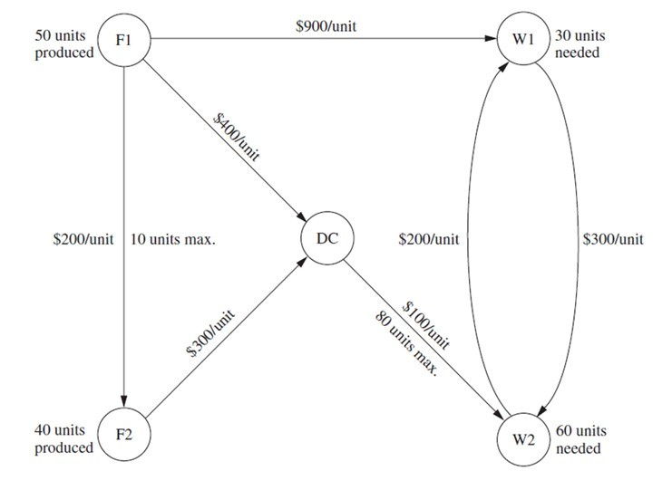
 | FROM | F1 | F2 | DC | W1 | W2 | Supply
F1 | - | 200 | 400 | 900 | - | 50
F2 | - | - | 300 | - | - | 40
DC | - | - | - | 200 | 100 | 0
W1 | - | - | - | - | 300 | -30
W2 | - | - | - | 300 | - | -60

 |  |  |  |  | From | To | Variable Name | Cost | Capacity
 |  |  |  |  | F1 | W1 | 50 | 900 | ∞
 |  |  |  |  | F1 | F2 | 0 | 200 | 10
 |  |  |  |  | F1 | DC | 0 | 400 | ∞
 |  |  |  |  | F2 | DC | 40 | 300 | ∞
 |  |  |  |  | DC | W1 | 0 | 200 | ∞
 |  |  |  |  | DC | W2 | 40 | 100 | 80
 |  |  |  |  | W1 | W2 | 20 | 300 | ∞
 |  |  |  |  | W2 | W1 | 0 | 300 | ∞

 |  |  |  |  |  | max | 67000

 | Variable | Constraint |  |  |  | 50 | = | 50
 | X_F1F2 | ≤ 10 |  |  |  | 40 | = | 40
 | X_DCW2 | ≤ 80 |  |  |  | 40 | = | 40
 | All variables | ≥ 0 |  |  |  | 30 | = | 30
 |  |  |  |  |  | 60 | = | 60
 |  |  |  |  |  | 0 | <= | 10
 |  |  |  |  |  | 40 | <= | 80

